(2)TOOL or CONSUPTION
 | □ TOOL or CONSUPTION(공구, 도구 및 소모품) - 전기가가 안들어가는 아이템

Item | NO | 1) picture (before PACKING) | 2) ENGLISH ITEM NAME | Weight (KG) | 3) MANUFACTUROR (ex : OOO company) | 4) MODEL NO (ex : abc-123) | 5) MATERIAL (ex : STEEL, PLASTIC) | 6) STANDARD TYPE (ex : DIAMENSION) | 7) ORIGIN (cx : MEDE IN KOREA) | 8) MSDS (in case of chemical) | 9) HS CODE (At origin) | NEW OR USED | MANUFACTURE DATE | 10) Cost (USD)
1 | Plastic Tooling |  | 260x280x250mm | 107 | Techsen electronic(shenzhen) co.,ltd | 001-10019-01A | Steel | DIAMENSION | made in china |  | 84807190 | USED | 2010 | 5170
2 | constant-temperature instrument | 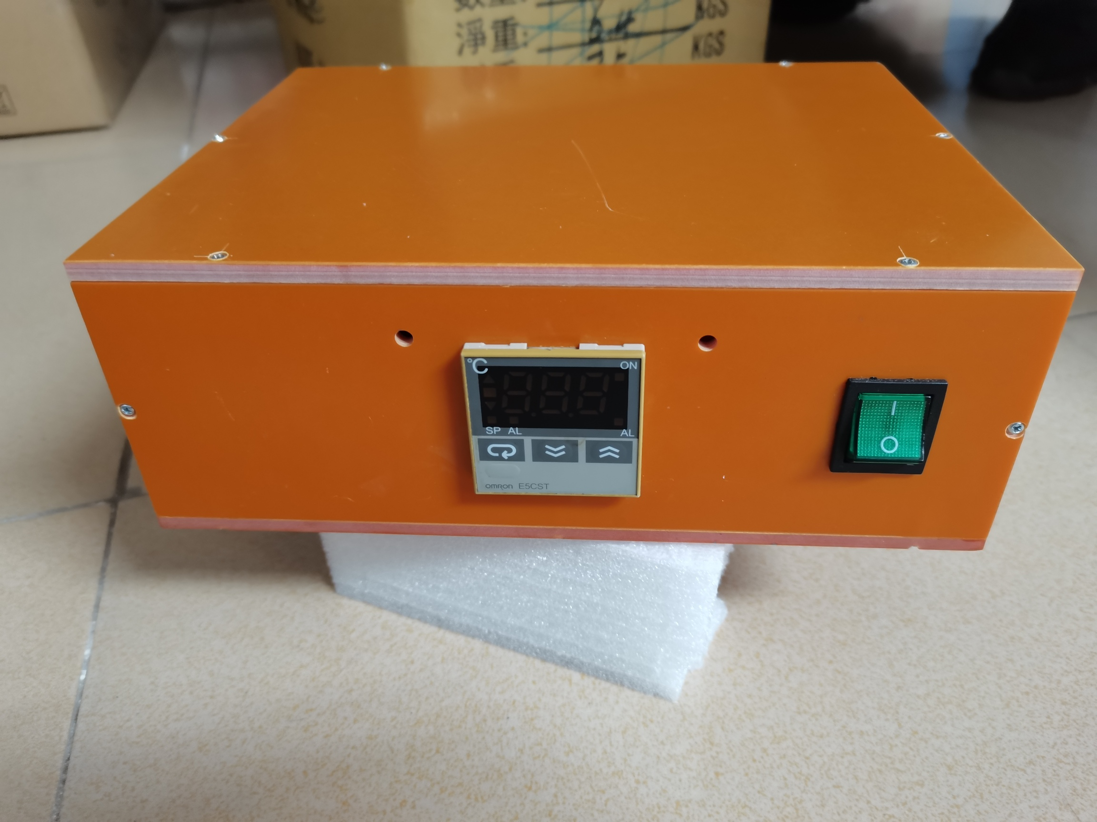 | 401x300x240mm | 3.115 | Techsen electronic(shenzhen) co.,ltd |  | Plactic+electronic | DIAMENSION | made in china |  | 90321010 | NEW | 2021 | 78
 | Hot Stamping machine | 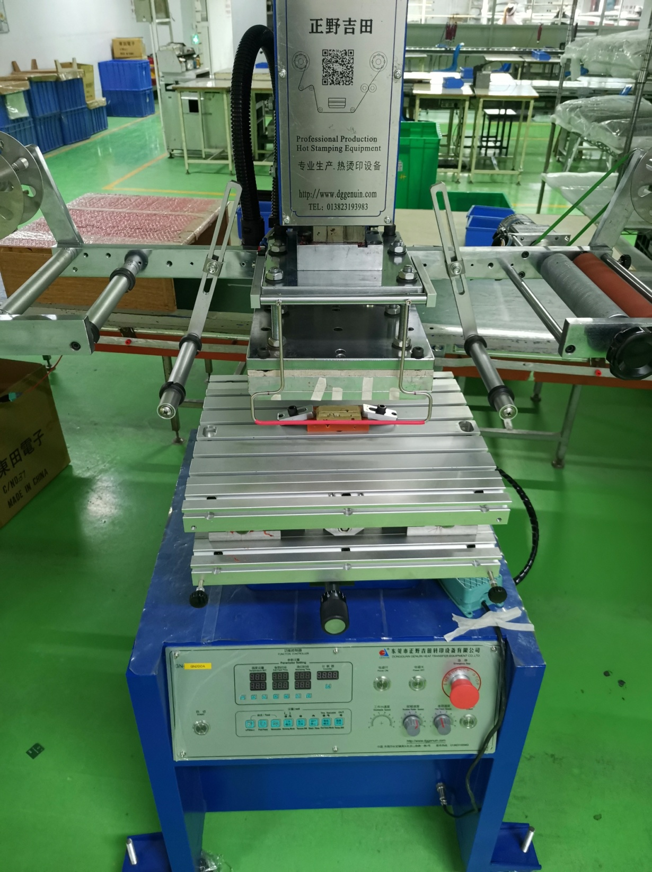 | 1050x750x1900mm | 225 | Dongguan zhengyejitian transfer equipment Co.,Ltd | GN200A | Steel+electronic | DIAMENSION | made in china |  | 84431400 | NEW | 2021 | 2826

